Sheet1
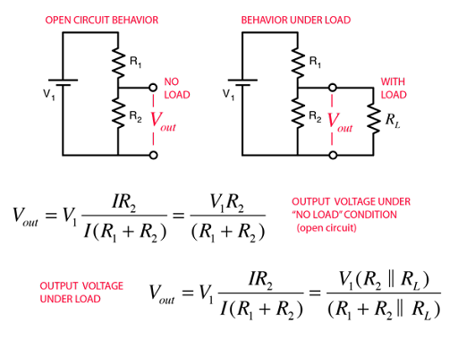
Input voltage | 3.3 | Hardware revision ID | R1 Value | R2 Value | Vout | Mapped value
Top Value for map | 100 | 1 | 10 | 0 | 0 | 0
 |  | 2 | 47 | 1 | 0.06875 | 2
 |  | 3 | 10 | 1 | 0.3 | 9
 |  | 4 | 4.7 | 1 | 0.57894736842 | 18
 |  | 5 | 2.2 | 1 | 1.03125 | 31
 |  | 6 | 4.7 | 2.2 | 1.052173913 | 32
 |  | 7 | 10 | 10 | 1.65 | 50
 |  | 8 | 4.7 | 10 | 2.2448979592 | 68
 |  | 9 | 1 | 2.2 | 2.26875 | 69
 |  | 10 | 2.2 | 10 | 2.7049180328 | 82
 |  | 11 | 4.7 | 47 | 3 | 91
 |  | 12 | 2.2 | 47 | 3.1524390244 | 96
 |  | 13 | 1 | 47 | 3.23125 | 98
 |  | 14 | 0 | 10 | 3.3 | 100

